APR Instructions
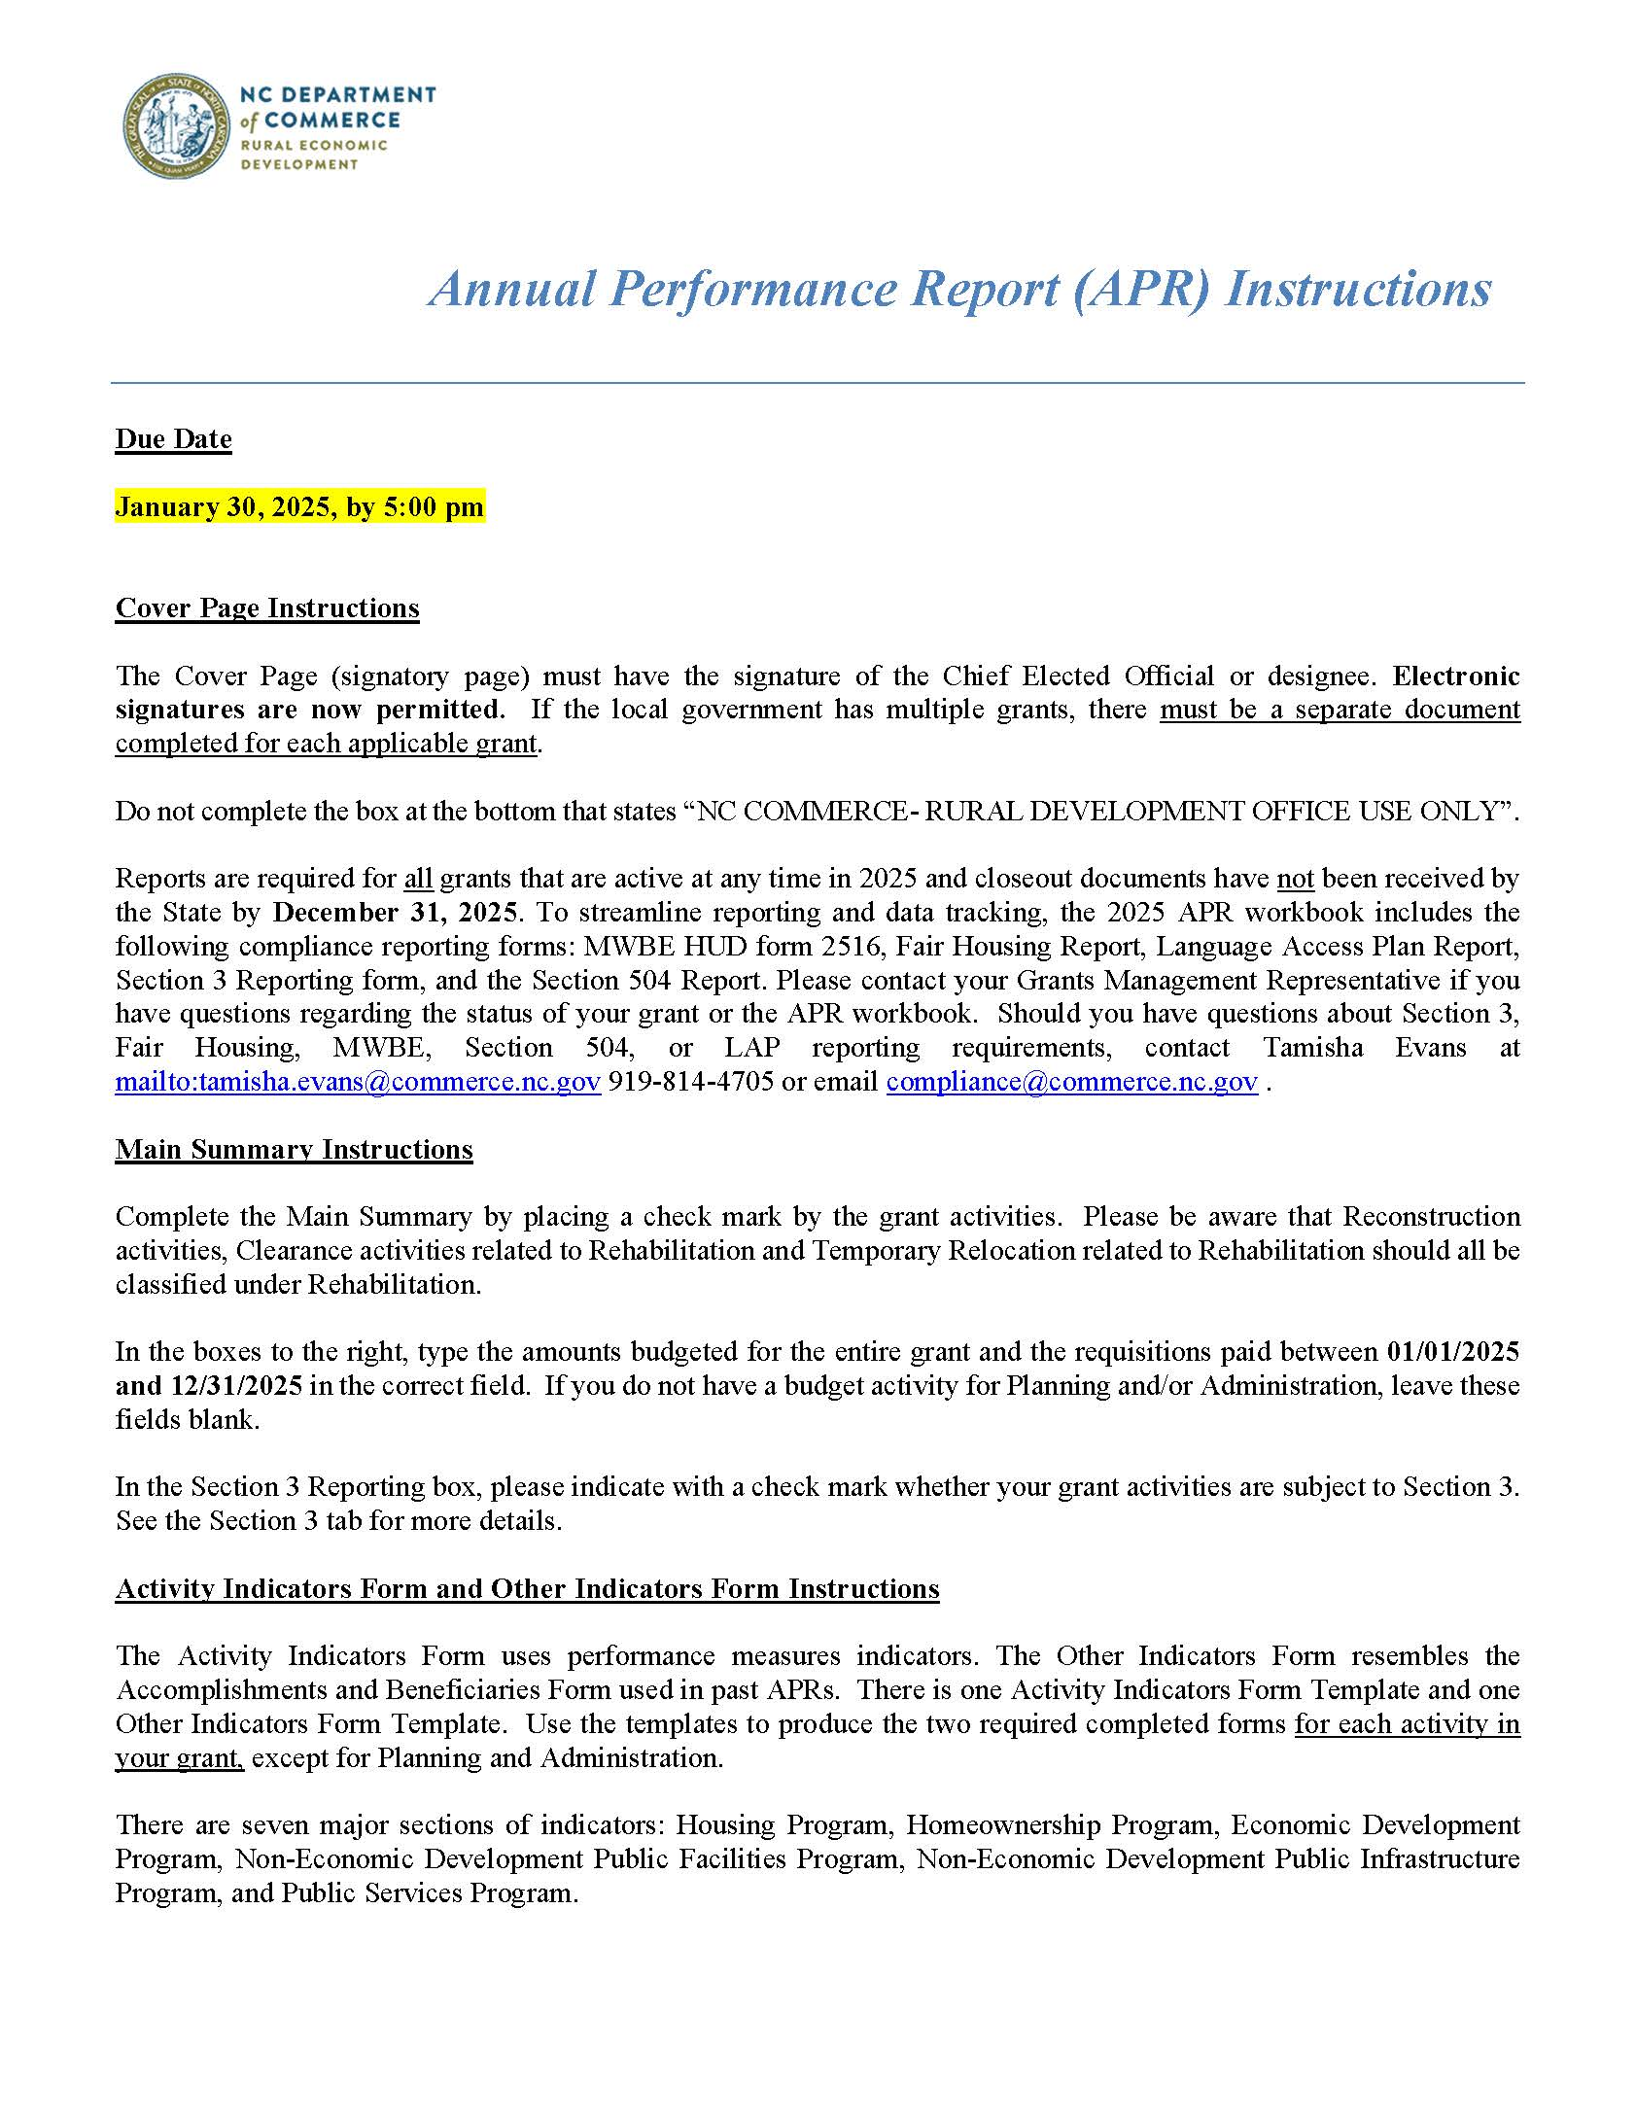

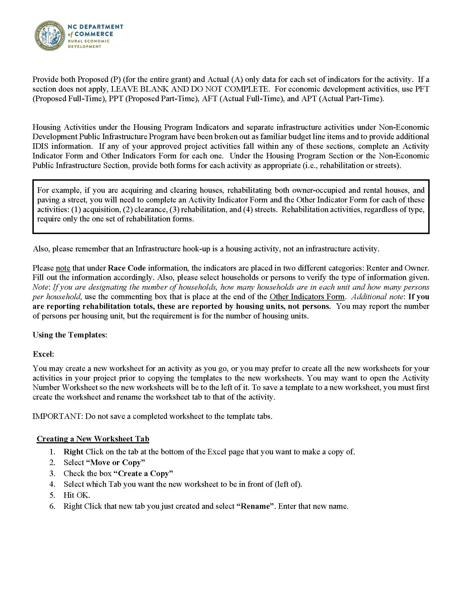

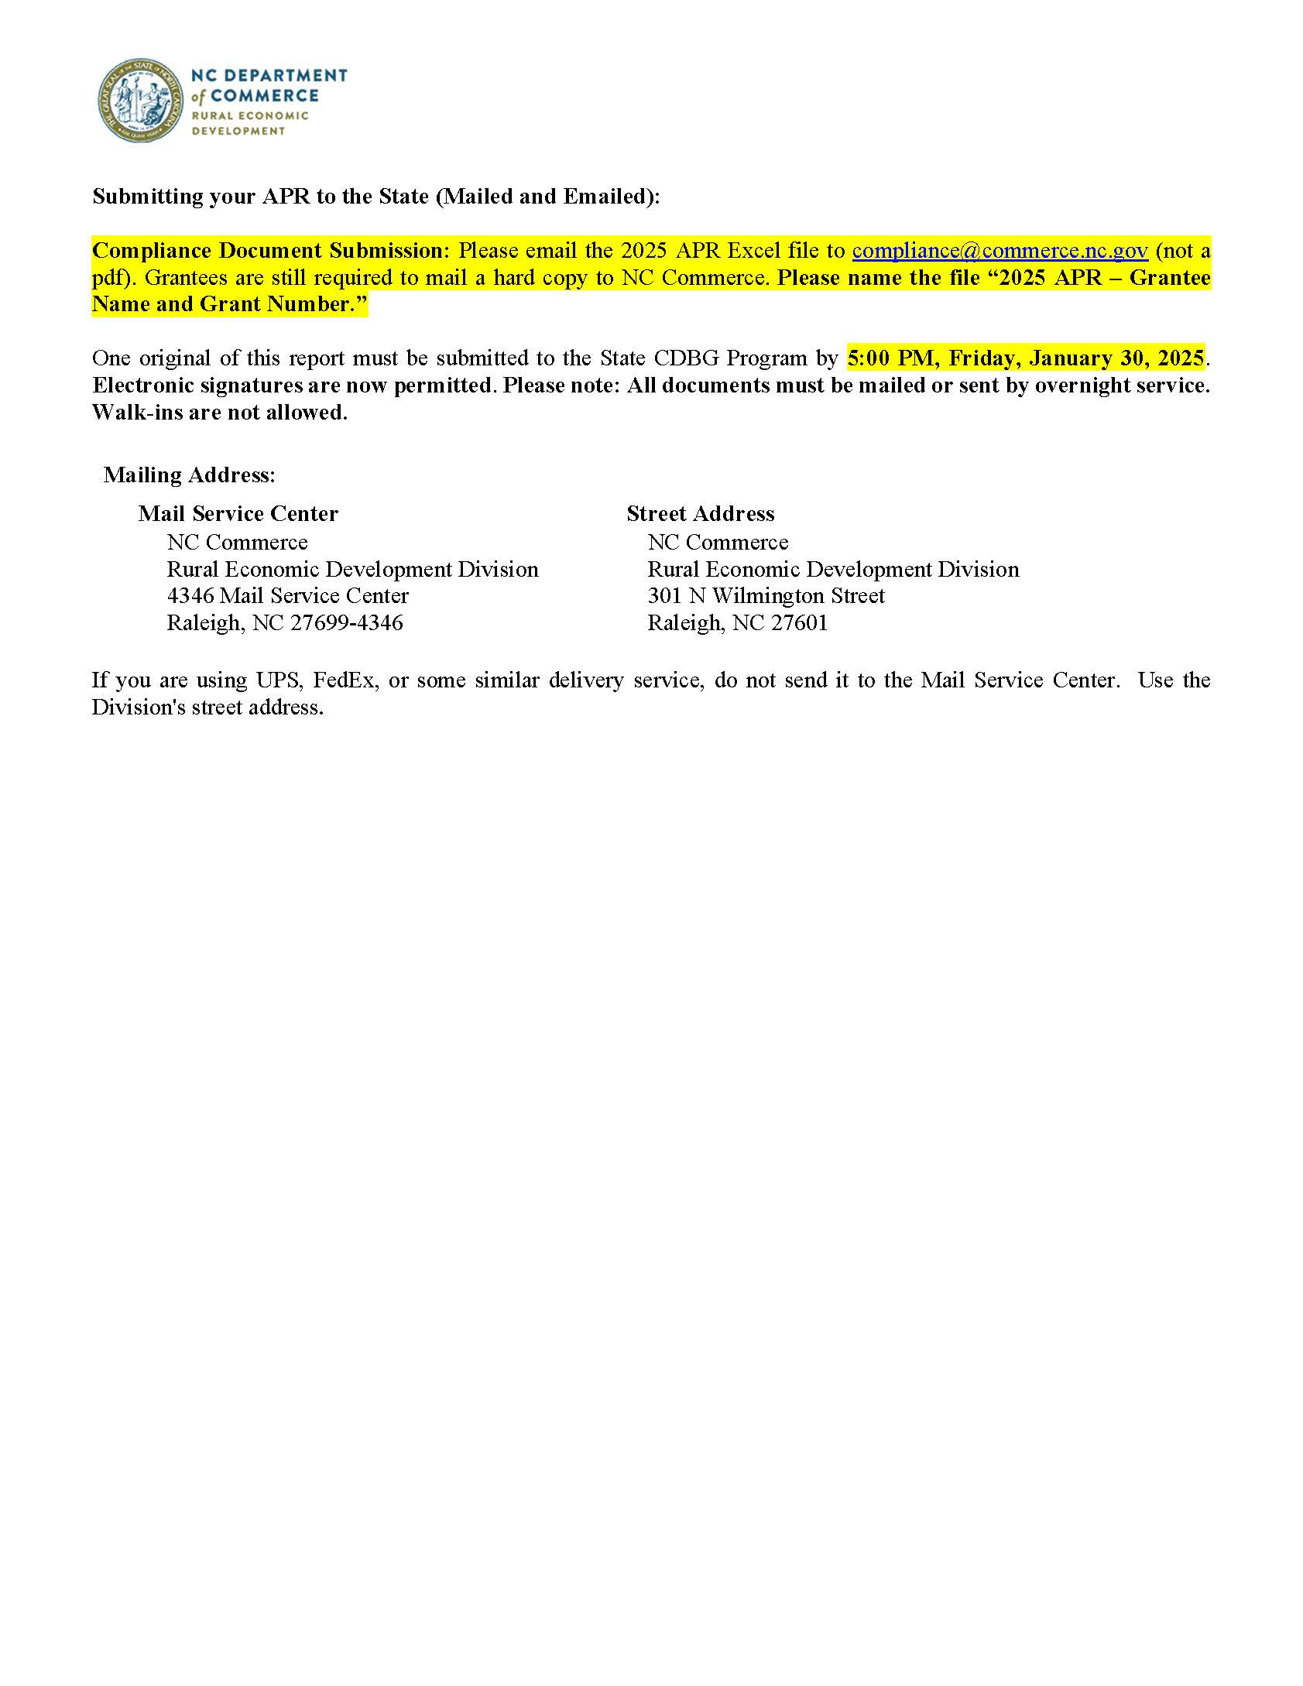

Activity Indicators
2025 Annual Performance Report
Activity Indicators Form

Grant Name:
Project Name:
Grant Number:
0 | Check (X) C-1:
 | Check (X) E-1:
0 | Check (X) L-1:
Activity Name, Number and Code: Select from Dropdown list to the right

Amount of money leveraged for the activity, if applicable (Funds other than CDBG fund as part of activity.) No Rounding, please use decimals.

(Proposed is for entire grant activity, Actual is only for the year 2025.)
Housing Program Indicators | Proposed (For Entire Grant) | Actual (2025)
Housing Activities
Single Units -Rental
Total number of rental units acquired
Total number of rental units cleared
Total number of rental units disposed
Total number of rental households relocated
Total number of rental units rehabilitated
Number of units brought from substandard to standard condition (NC Rehab Standards)
Number of units brought into compliance with the lead safe housing rule (24 CFR part 35)
Number of units occupied by elderly (62 years of age or above)
Single Units - Owner
Total number of owner units acquired
Total number of owner units cleared
Total number of owner units disposed
Total number of owner households relocated
Total number of owner occupied units rehabilitated
Number of units brought from substandard to standard condition (NC Rehab Standards)
Number of units brought into compliance with the lead safe housing rule (24 CFR part 35)
Number of units occupied by elderly (62 years of age or above)
Multi-Units Rental
Total number of rental units acquired
Total number of rental units cleared
Total number of rental units disposed
Total number of rental households relocated
Total number of rental units rehabilitated
Number of units brought from substandard to standard condition (NC Rehab Standards)
Number of units brought into compliance with the lead safe housing rule (24 CFR part 35)
Number of units occupied by elderly (62 years of age or above)
Development of Single-Family Housing
Total number of owner units created
Number of affordable units created
Development of Multi-Unit Rental Housing
Total number of rental units created
Total number of rental units rehabilitated
Number of affordable units created
Number of units Section 504 accessible (includes adaptable units)
Number of units brought into compliance with the lead safe housing rule (24 CFR part 35)
Number of units created through conversion of nonresidential building to residential
Number of units meeting IBC (International Building Code)
Of IBC, number of units meeting Energy Star
Number of units occupied by elderly (62 years of age or above)
Number of units subsidized with project-based rental assistance (fed., state, or local)
Number of years affordability guaranteed
Number of units designated for persons with HIV/AIDS
of these, number of units designated for the chronically homeless
of these, number of units 504 accessible
Number of units of permanent housing for homeless persons
of these, number of units designated for the chronically homeless
of these, number of units 504 accessible
Homeownership Indicators | Proposed (For Entire Grant) | Actual (2025)
Number of units occupied by first-time homebuyers
Total number of units assisted through home buyer financial assistance
Number of first-time home buyers assisted financially
Number of first-time home buyers receiving housing counseling
Number of minority first-time home buyers receiving housing counseling
Number served receiving down-payment assistance and/or assistance with closing costs
Number of subsidized mortgages provided
Economic Development Program Indicators | Proposed (For Entire Grant) | Actual (2025)
Number of facades/business building rehab
Number of jobs to be created part-time
Number of jobs to be created full-time
Number of jobs to be retained part-time
Number of jobs to be retained full-time
Number of jobs created with employer sponsored health care
Number of jobs retained with employer sponsored health care
Prior employment status before taking job created (full-time employed, part-time employed or unemployed) | Status:
 | Full or Part-time:

Jobs (By EDA Job Category Definitions) | Proposed (For Entire Grant) | Actual (2025)
Official and Managers
Professional
Technicians
Sales
Office and Clerical
Craft Workers (skilled)
Operatives (semi-skilled)
Laborers (unskilled)
Service Workers
 | Proposed (For Entire Grant) | Actual (2025)
Number of unemployed persons getting jobs in FTE's (Full-Time Equivalent)
Number of new businesses assisted
Number of existing businesses assisted
Number of business expansions
Number of business relocations
Business UEI # (formerly the DUNS#) | If more than 2 UEI Numbers, add in Comments Section.
Two Digit NAICS Classification Number (http://www.census.gov/eos/www/naics/index.html)
Non-Economic Development Public Facility Program Indicators | Proposed (For Entire Grant) | Actual (2025)
Number of persons assisted
Number of persons assisted with new access to a public facility
Number of persons assisted with improved access to a public facility
Number of persons assisted where public facility quality was improved
Non-Economic Development Public Infrastructure Program Indicators | Proposed (For Entire Grant) | Actual (2025)
Water
Number of persons assisted
Number of persons assisted with new access to public water
Number of persons assisted with improved access to public water
Number of persons assisted where public water quality was improved
Sewer
Number of persons assisted
Number of persons assisted with new access to public sewer
Number of persons assisted with improved access to public sewer
Number of persons assisted where public sewer quality was improved

Streets
Number of persons assisted
Number of persons assisted with new access to public streets
Number of persons assisted with improved access to public streets
Number of persons assisted where public street quality was improved
Drainage
Number of persons assisted
Number of persons assisted with new access to public drainage
Number of persons assisted with improved access to public drainage
Number of persons assisted where public drainage quality was improved
Sidewalks
Number of persons assisted
Number of persons assisted with new access to public sidewalks
Number of persons assisted with improved access to public sidewalks
Number of persons assisted where public sidewalk quality was improved
Other Public Infrastructure |  | List:
Number of persons assisted
Number of persons assisted with new access to public sidewalks
Number of persons assisted with improved access to public sidewalks
Number of persons assisted where public sidewalk quality was improved
Public Service Program Indicators
Number of persons assisted
Number of persons with new access to service
Number of persons with improved access to service
Number of persons where service quality was improved
Brownfield Projects
Number of square acres of brownfields remediated
Comments

MWBE HUD Form 2516
Contract and Subcontract Activity |  |  |  |  |  | U.S. Department of Housing and Urban Development |  |  |  |  |  |  | OMB Approval No.: 2577-0088 OMB Approval No.: 2502-0355
Public reporting burden for this collection of information is estimated to average .5 hours per response, including the time for reviewing instructions, searching existing data sources, gathering and maintaining the data needed, and completing and reviewing the collection of information. The Information is voluntary. HUD may not collect this information, and you are not required to complete this form, unless it displays a currently valid OMB Control Number.
Executive Orders dated July 14, 1983, directs the Minority Business Development Plans shall be developed by each Federal Agency and the these annual plans shall establish minority business development objectives. The information is used by HUD to monitor and evaluate MBE activities against the total program activity and the designated minority business enterprise (MBE) goals. The Department requires the information to provide guidance and oversight for programs for the development of minority business enterprise concerning Minority Business Development. If the information is not collected HUD would not be able to establish meaningful MBE goals nor evaluate MBE performance against these goals.
Privacy Act Notice = The United States Department of Housing and Urban Development, Federal Housing Administration, is authorized to solicit the Information requested in this form by virtue of Title 12, United States Code, Section 1701 et seq., and regulation. It will not be disclosed or relesed outside the United States Department of Housing and Urban Development without your consetn, except as required or permitted by Law.
1. Grantee/Project Owner/Developer/Sponsor/Builder/Agency
2. Location (City, State Zip Code)
 |  |  |  |  |  |  |  |  |  |  |  | Check if:
 |  |  |  |  |  |  |  |  |  |  |  | PH
 |  |  |  |  |  |  |  |  |  |  |  | IH
 |  |  |  |  |  |  |  |  |  |  |  | CPD
 |  |  |  |  |  |  |  |  |  |  |  | Housing
3a. Name of Contact Person
3b. Phone Number (Including Area Code)
4. Reporting Period
January 1, 2025 to December 31, 2025
5. Program Code (Not applicable for CPD programs.) See explanation of Codes at bottom of Page Use a separate sheet for each program code.
6. Date Submitted to Field Office
Grant/Project Number or HUD Case Number or other identification of property, subdivision, dwelling unit, etc. 7a. | Amount of Contract or Subcontact 7b. | Type of Trade Code (See below) 7c. | Contractor or Subcontractor Business Racial/Ethnic (See below) 7d. | Woman Owned Business (Yes or No) 7e. | Prime Contractor Identification (ID) Number 7f. | Sec. 3 7g. | Subcontractor Identification (ID) Number 7h | Sec. 3 7i. | Contractor/Subcontractor Name and Address 7j.
 |  |  |  |  |  |  |  |  | Name |  |  | Street |  | City | State | Zip

 |  | 7c: Type of Trade Codes: |  |  |  | 7d: Racial/Ethnic Codes: |  |  |  | 5: Program Codes (Complete for Housing and Public and Indian Housing programs only):
CPD: |  | Housing/Public Housing: |  |  |  | 1 = White Americans (Non-Hispanic) |  |  |  |  | 1 = All Insured, including Section8 |  |  | 5 = Section 202
1 = New Construction |  | 1 = New Construction |  | 6 = Professional |  | 2 = Black Americans (Non-Hispanic) |  |  |  |  | 2= Flexible Subsidy |  |  | 6 = HUD-Held (Management)
2 = Education/Training |  | 2 = Substantial Rehab. |  | 7 = Tenant Services |  | 3 = Native Americans |  |  |  |  | 3 = Section 8 Noninsured, Non-HFDA |  |  | 7 = Public/India Housing
3 = Other |  | 3 = Repair |  | 8 = Education/Training |  | 4 = Hispanic Americans |  |  |  |  | 4 = Insured (Management) |  |  | 8 = Section 811
 |  | 4 = Service |  | 9 = Arch./Engrg. Appraisal |  | 5 = Asian/Pacific Americans
 |  | 5 = Project Mangt. |  | 0 = Other |  | 6 = Hasidic Jews
Previous editions are obsolete. |  |  |  |  |  |  |  |  |  |  |  |  |  | form HUD-2516 (8/98)

Section 504 Report
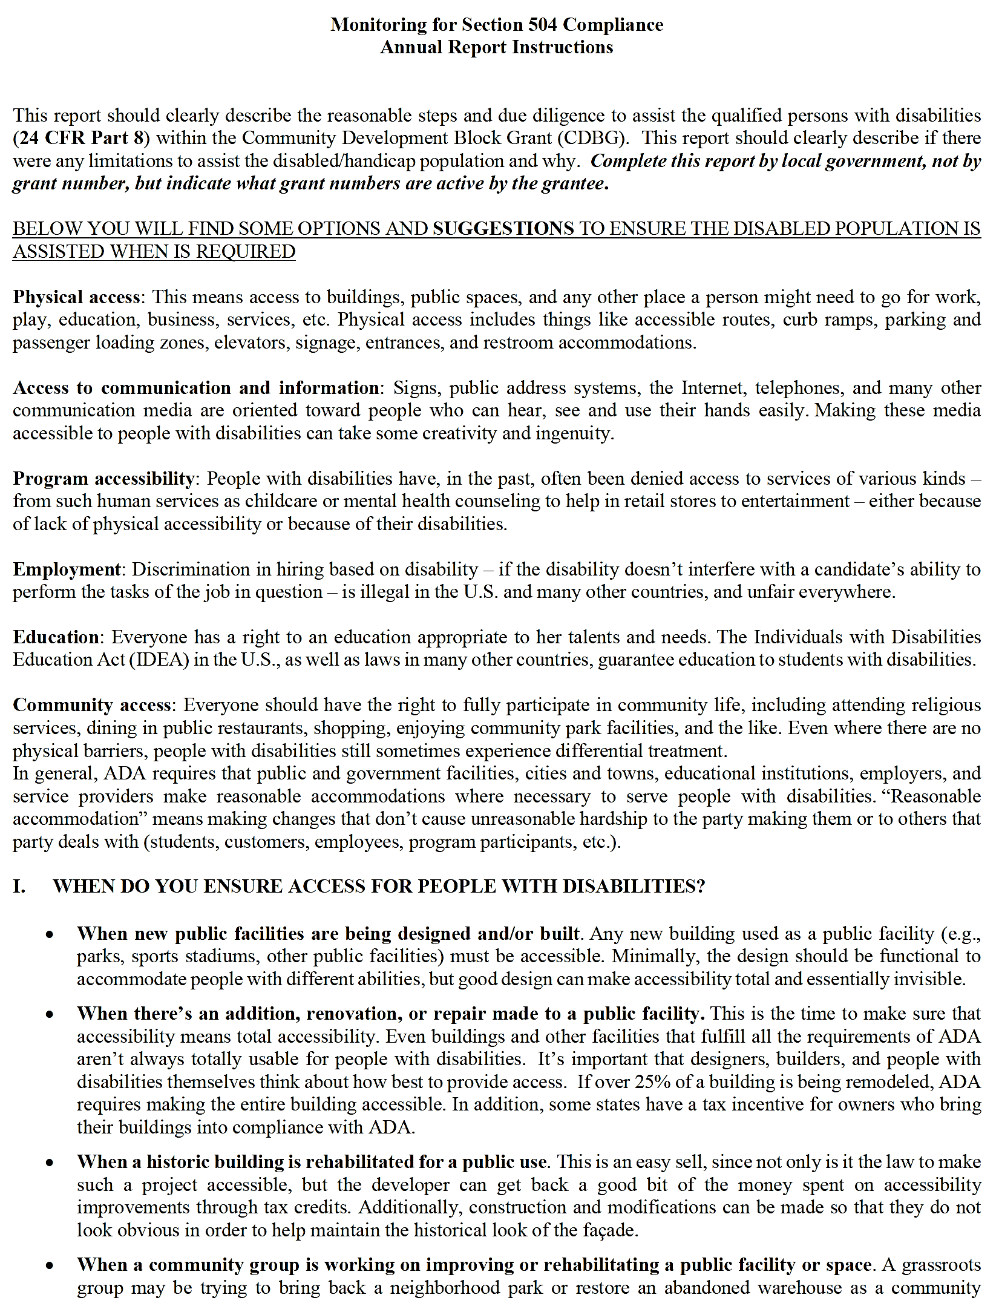
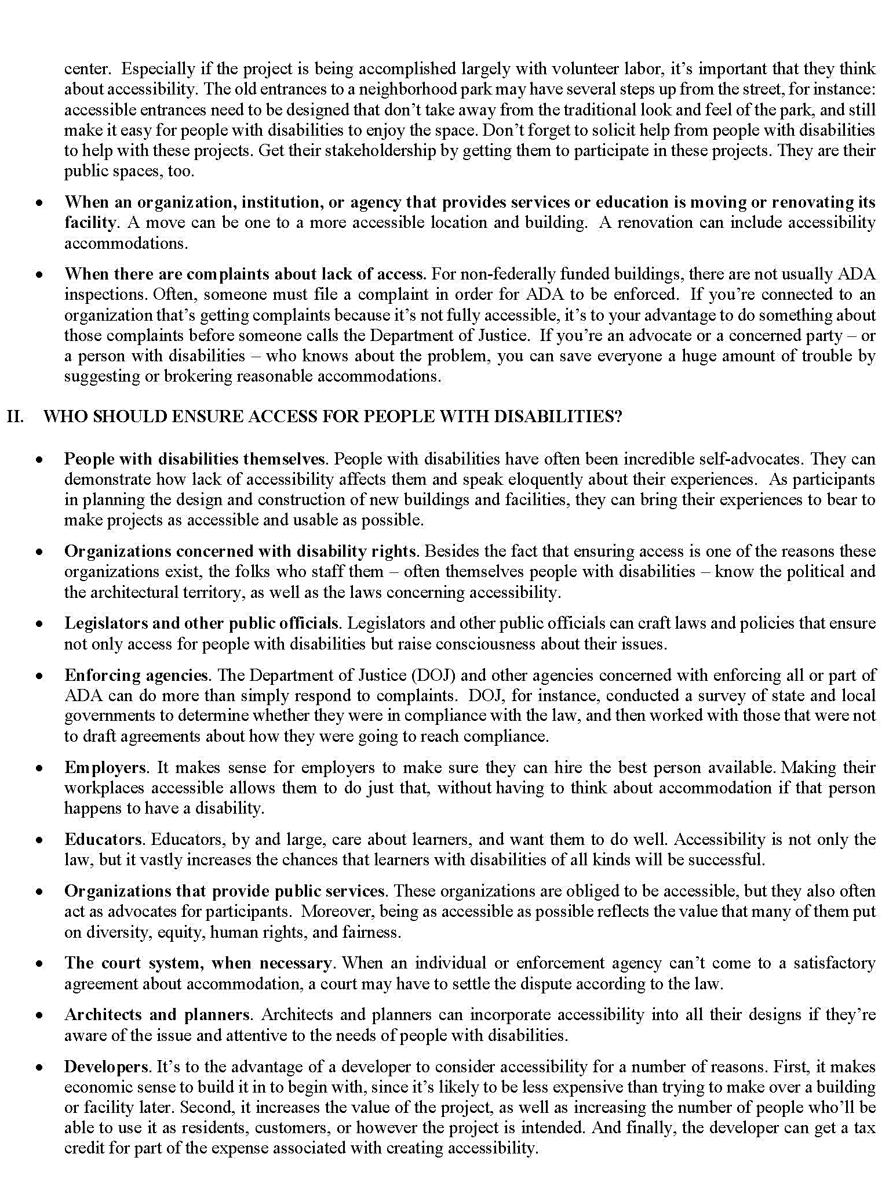
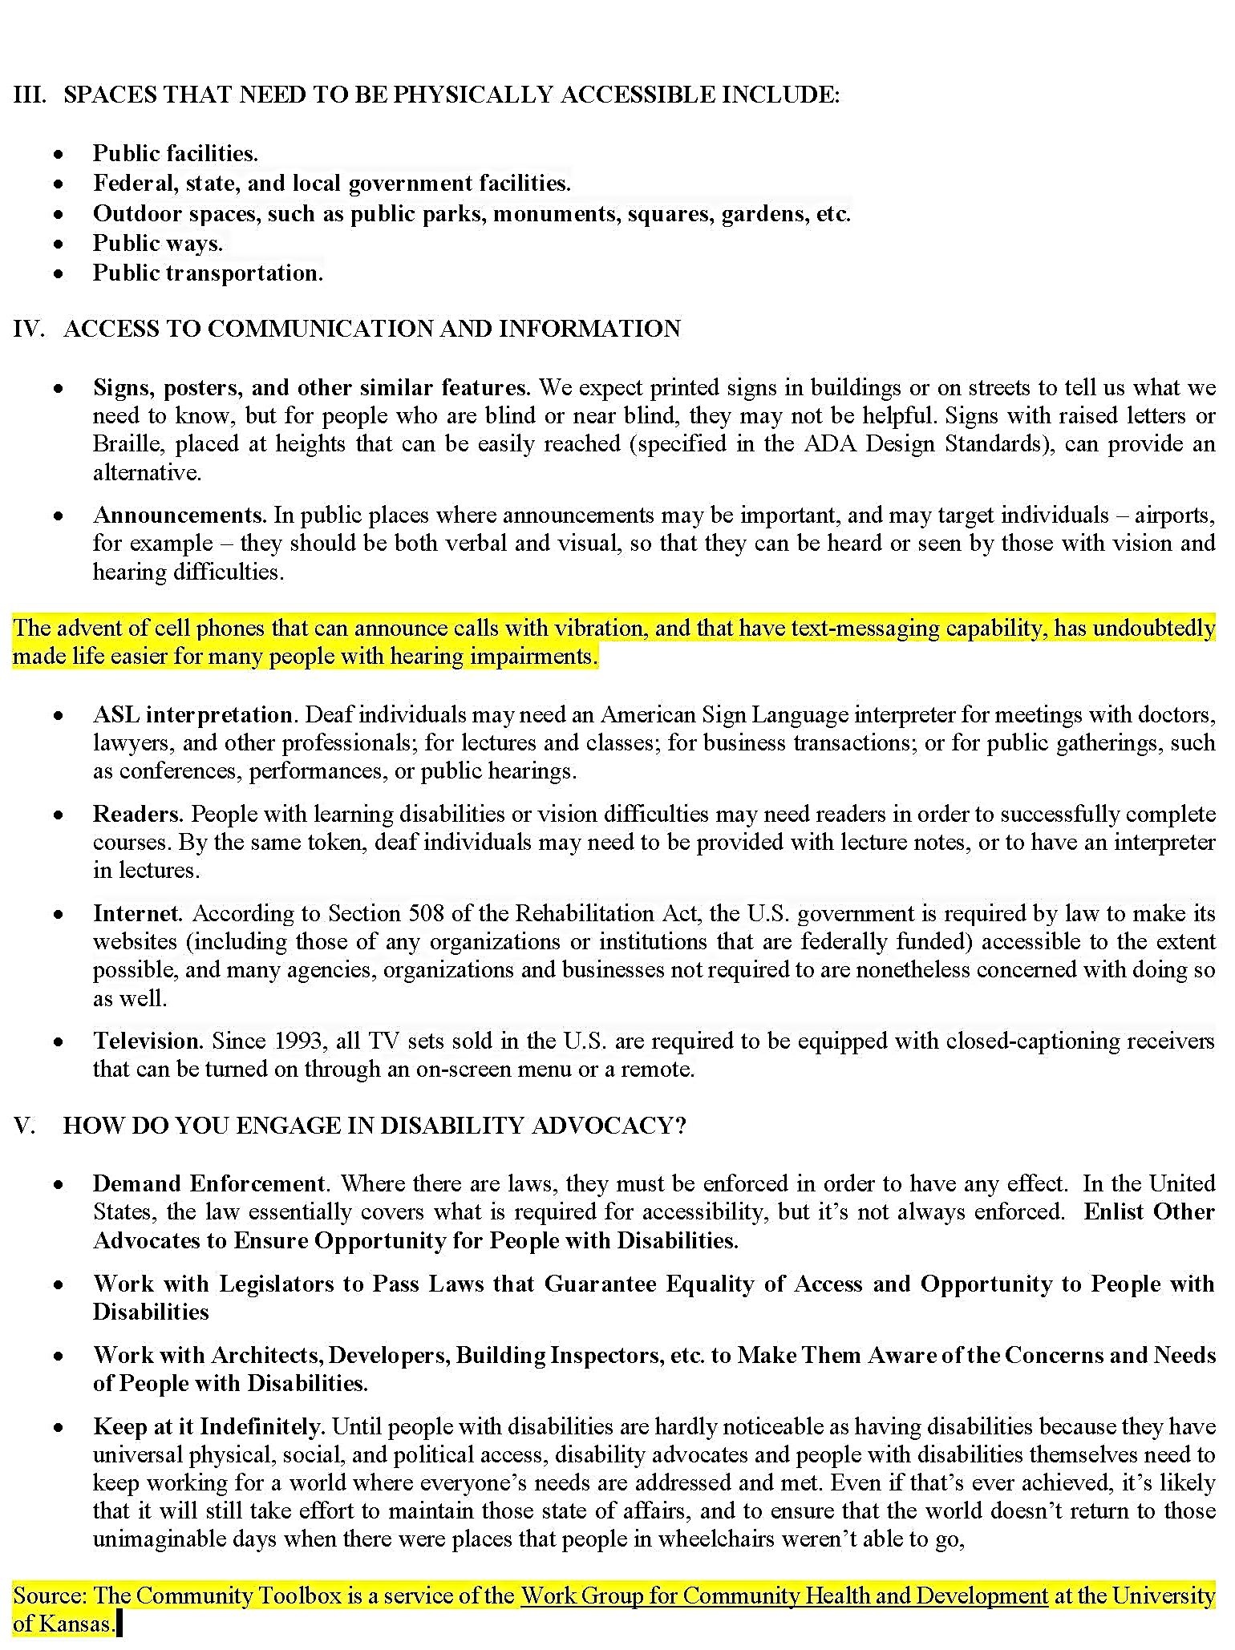
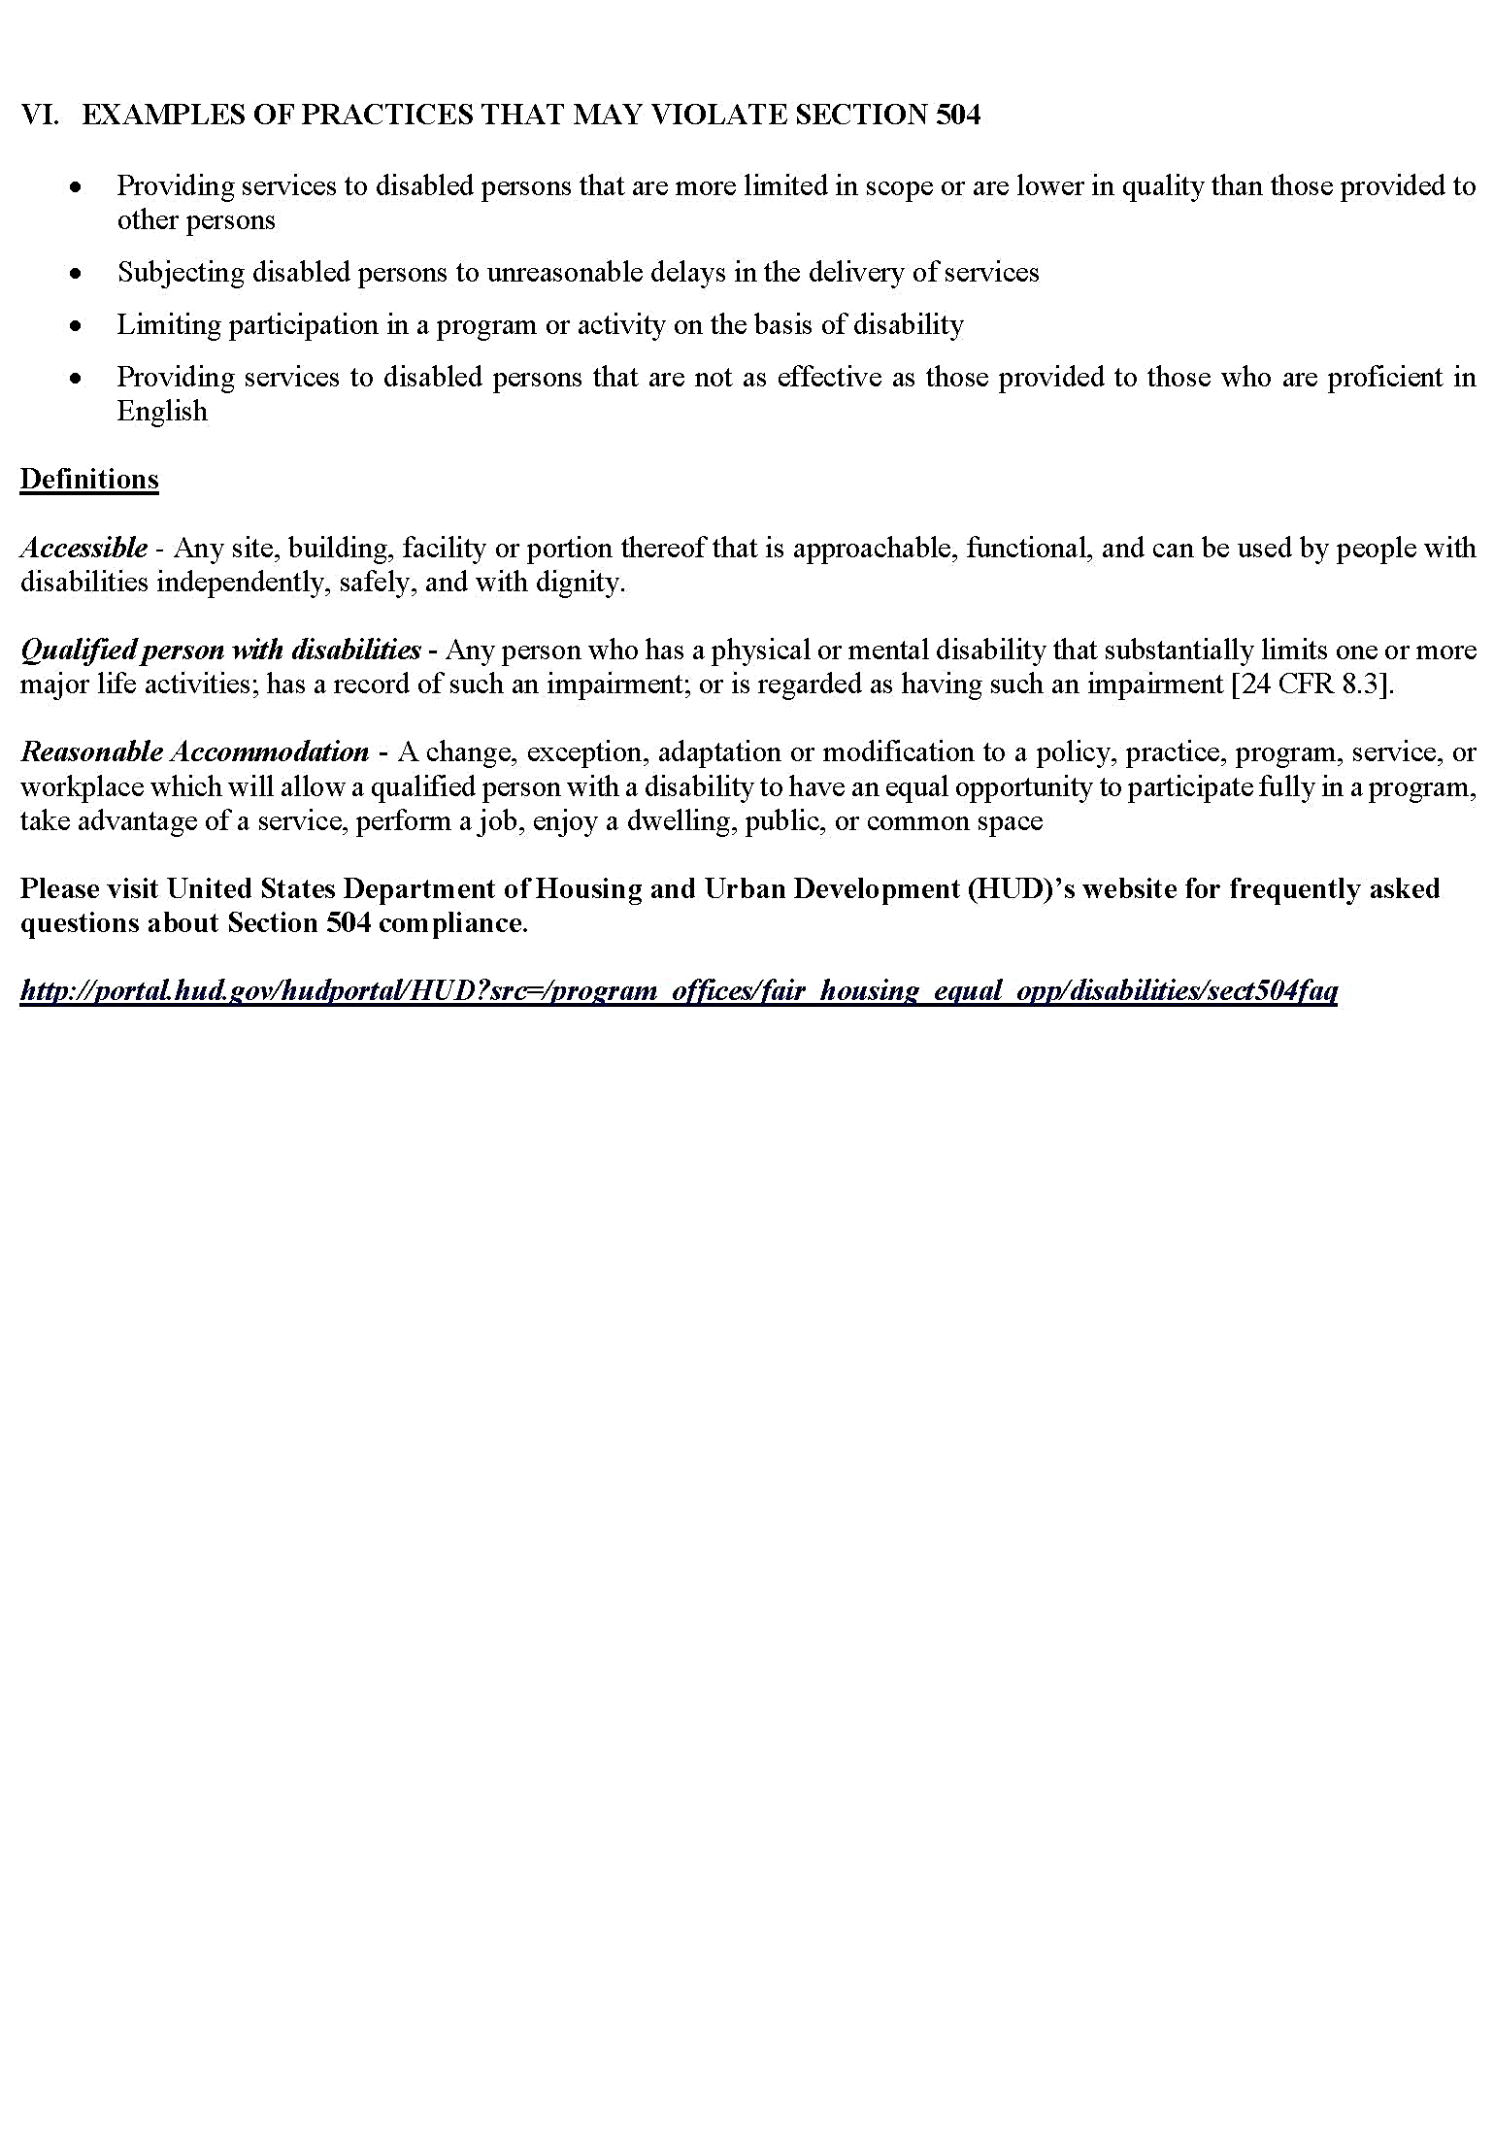
 |  |  |  |  | 2025 Annual Performance Report
 |  |  |  |  | Monitoring for Section 504 Compliance

 | Grantee Name: | 0 |  |  |  |  |  | Grant Number: | 0

1. | What is the current a disabled/handicap population in the housing jurisdiction, geographic area, or population affected or encountered?

2. | What is the frequency of encounters with disabled/handicap persons? Please check a box. If other, please check the box and describe below.
 |  | Daily |  | Weekly |  | Monthly |  |  | Other (Specify):

3. | What is the nature and importance of activities to disabled/handicap persons? Important: Determine whether denial or delay of access to services or information could have serious implications to the disabled/handicap customer. Please describe below.

4. | Number of Reasonable Accommodations (non-structural changes, exception, or adjustment to a rule, policy, practice, or service) request(s) to non-housing facilities and programs. Insert a number or “No Requests made”

5. | Methods of Reasonable Accommodation conducted for request(s) Please check all boxes that apply. If other, please check the box and describe below.

 | Use of Telecommunications Device for the Deaf (TDD)/ Teletypewriter (TTY) devices |  |  |  |  |  | Qualified sign-language interpreters and oral interpreters
 | Readers |  |  |  |  |  | Tape/Recordings
 | Large Print |  |  |  |  |  | Braille materials
 | Flexible work scheduling |  |  |  |  |  | Modification of employment policies
 | Note-takers |  |  |  |  |  | Closed-captioned video
 | Other (Specify Below): |  |  |  |  |  | No Activity

6. | Indicate the availability of resources for reasonable accommodation, including technological advances and sources of additional resources, and the costs imposed.
 |  |  |  |  |  |  |  | No Rounding, please use decimals.
 | Resources (Describe) |  |  |  |  |  |  |  |  | Cost ($)

7. | Does staff know and understand Section 504 compliance and how to implement? - e.g. Have employees been trained on your policies and procedures regarding qualified persons with disabilities? Please check a box and explain below your answer below.
 |  | Please check a box and explain below your answer below. |  |  |  |  |  | Yes | No
 | If yes, please indicate how and how often. If no, please explain why not.

8. | Identify sources for assistance available and viable - Describe the tool or method used being used to collect data on participant satisfaction with program accessibility services.

9. | Have there been any complaints filed based on disability discrimination?
 |  | Yes | No |  | If yes, please describe below, including number of complaints, nature of complaints, and resolution of complaints.

10. | How many Section 504 training/workshops/meetings/conferences have local government staff attended in the last year for technical assistance? (Insert a number)

11. | How many Section 504 training/workshops/meetings/conferences have local government staff conducted in the last year for technical assistance? (Insert a number)

